CMM Vector
CMM dimension | Optimal target | 2020 target | Current | 2018 report
Leadership and culture
Executive commitment & oversight | 3.5 | 3.0 | 2.5 | 2.0
Management structure, roles, & responsibilities | 3.5 | 3.0 | 2.5 | 2.0
Monitoring & assurance | 3.5 | 3.0 | 2.5 | 2.0
Culture & behaviour | 3.5 | 3.0 | 2.5 | 2.0
Education & communications | 3.5 | 3.0 | 2.5 | 2.0
Planning, policies and processes
Strategy & planning | 3.5 | 3.0 | 2.5 | 2.0
Policies, processes, & procedures | 3.5 | 3.0 | 2.5 | 2.0
 | Optimal target | 2020 target | Current | 2018 report
Monitoring & assurance | 3.5 | 3.0 | 2.5 | 2.0
Culture & behaviours | 3.5 | 3.0 | 2.5 | 2.0
Education & communications | 3.5 | 3.0 | 2.5 | 2.0
Strategy & planning | 3.5 | 3.0 | 2.5 | 2.0
Policies, processes, & procedures | 3.5 | 3.0 | 2.5 | 2.0
Risk management | 3.5 | 3.0 | 2.5 | 2.0
Incident management | 3.5 | 3.0 | 2.5 | 2.0
Personnel security | 3.5 | 3.0 | 2.5 | 2.0
Information security | 3.5 | 3.0 | 2.5 | 2.0
Physical security | 3.5 | 3.0 | 2.5 | 2.0
Executive commitment & oversight | 3.5 | 3.0 | 2.5 | 2.0
Management structure, roles, & responsibilities | 3.5 | 3.0 | 2.5 | 2.0
Risk management | 3.5 | 3.0 | 2.5 | 2.0
Incident management | 3.5 | 3.0 | 2.5 | 2.0
Security domains
Personnel security | 3.5 | 3.0 | 2.5 | 2.0
Information security | 3.5 | 3.0 | 2.5 | 2.0
Physical security | 3.5 | 3.0 | 2.5 | 2.0
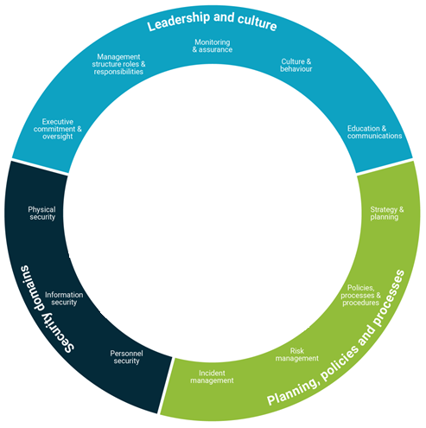

 |  |  |  |  | CMM dimension | Optimal target | 2020 target | Current | 2018 report
 |  |  |  |  | Leadership and culture
 |  |  |  |  | Monitoring & assurance | 3.5 | 3.0 | 2.5 | 2.0
 |  |  |  |  | Culture & behaviours | 3.5 | 3.0 | 2.5 | 2.0
 |  |  |  |  | Education & communications | 3.5 | 3.0 | 2.5 | 2.0
 |  |  |  |  | Strategy & planning | 3.5 | 3.0 | 2.5 | 2.0
 |  |  |  |  | Policies, processes, & procedures | 3.5 | 3.0 | 2.5 | 2.0
 |  |  |  |  | Risk management | 3.5 | 3.0 | 2.5 | 2.0
 |  |  |  |  | Incident management | 3.5 | 3.0 | 2.5 | 2.0
 |  |  |  |  | Personnel security | 3.5 | 3.0 | 2.5 | 2.0
 |  |  |  |  | Information security | 3.5 | 3.0 | 2.5 | 2.0
 |  |  |  |  | Physical security | 3.5 | 3.0 | 2.5 | 2.0
 |  |  |  |  | Executive commitment & oversight | 3.5 | 3.0 | 2.5 | 2.0
 |  |  |  |  | Management structure, roles, & responsibilities | 3.5 | 3.0 | 2.5 | 2.0

